D2A-MA
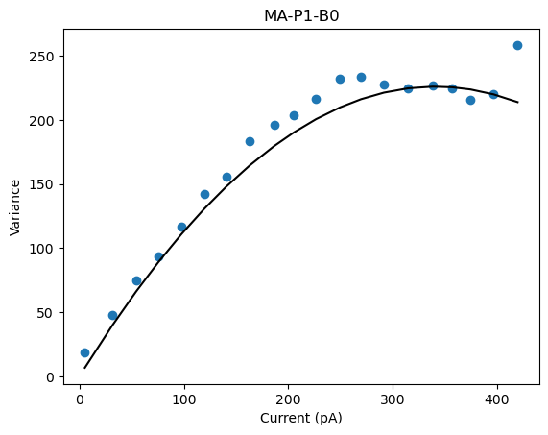
D2A-MA-P1-BO
 | Pool Number | Unitary Current (i) | Channels (n)
 | 1 | 1.32669 | 513.73

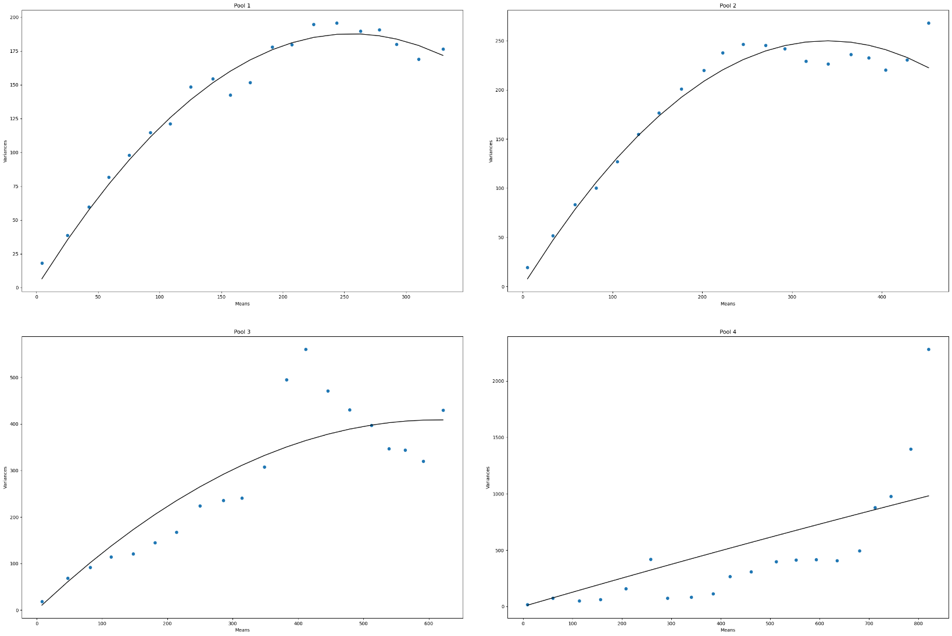
D2A-MA-P4-BO
 | Pool Number | Unitary Current (i) | Channels (n)
 | 1 | 1.47 | 347
 | 2 | 1.47 | 461
 | 3 | 1.33 | 923
 | 4 | 1.28 | N/A

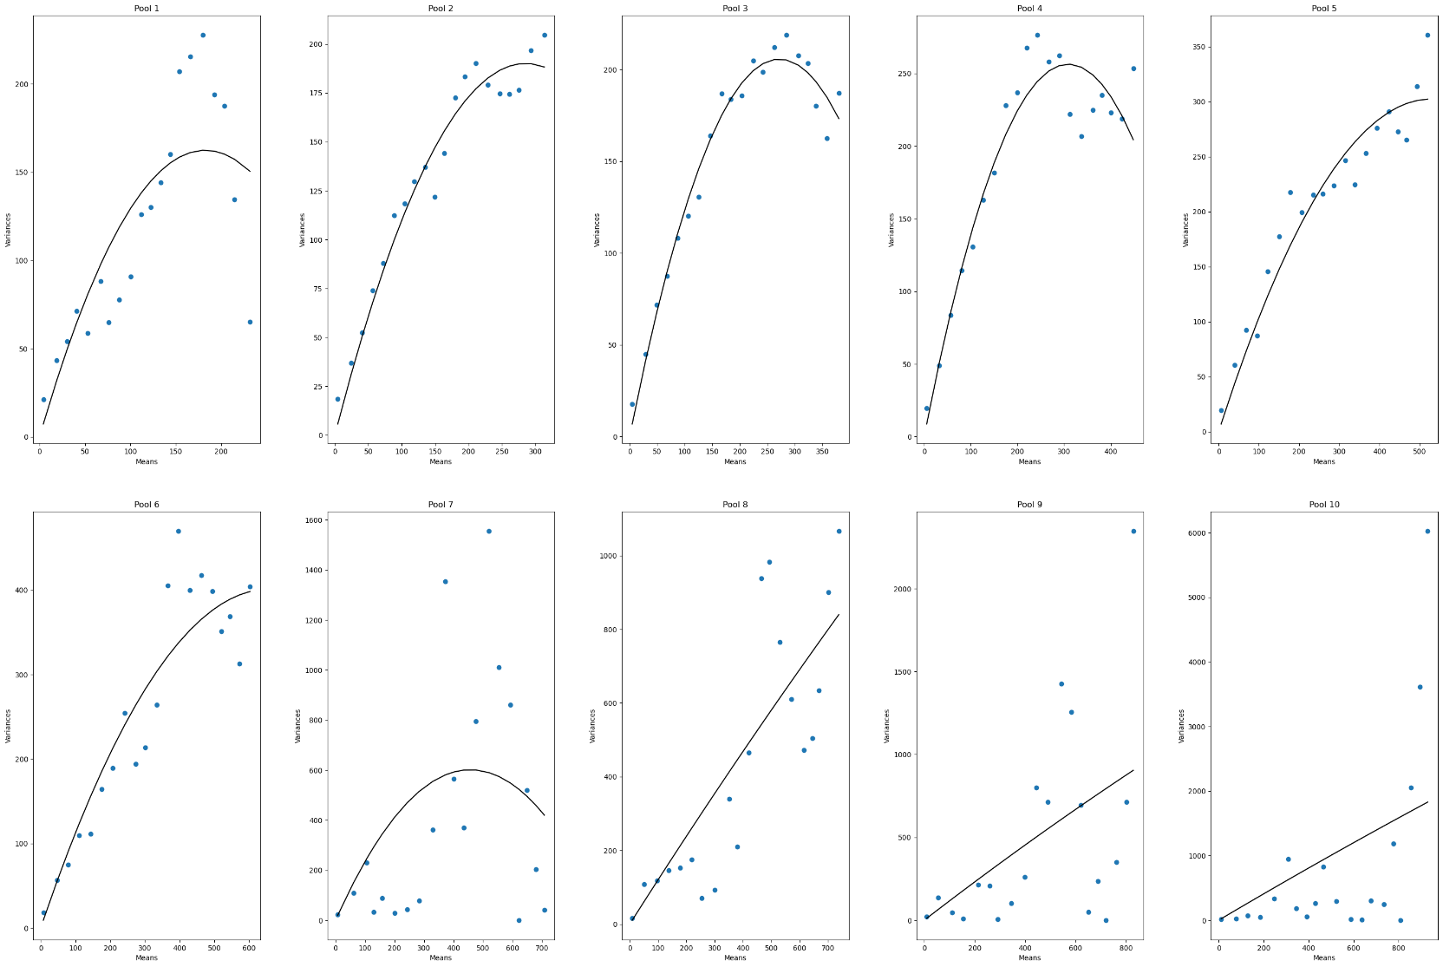
D1-MA-P10-BO
 | Pool Number | Unitary Current (i) | Channels (n)
 | 1 | 1.78 | 204
 | 2 | 1.33 | 428
 | 3 | 1.51 | 359
 | 4 | 1.66 | 372
 | 5 | 1.14 | 923
 | 6 | 1.22 | 1084
 | 7 | 2.63 | 346
 | 8 | 1.21 | N/A
 | 9 | 1.17 | N/A
 | 10 | 2.06 | N/A

D2A-MB-BO
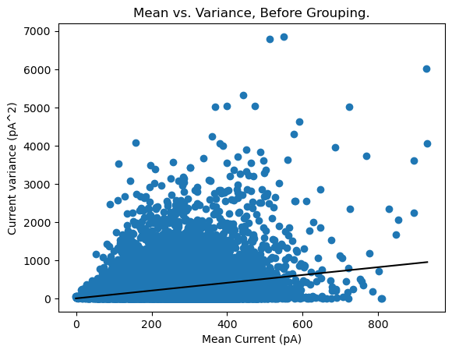
D2A-MB-P1-BO
 | Pool Number | Unitary Current (i) | Channels (n)
 | 1 | 1.02 | N/A

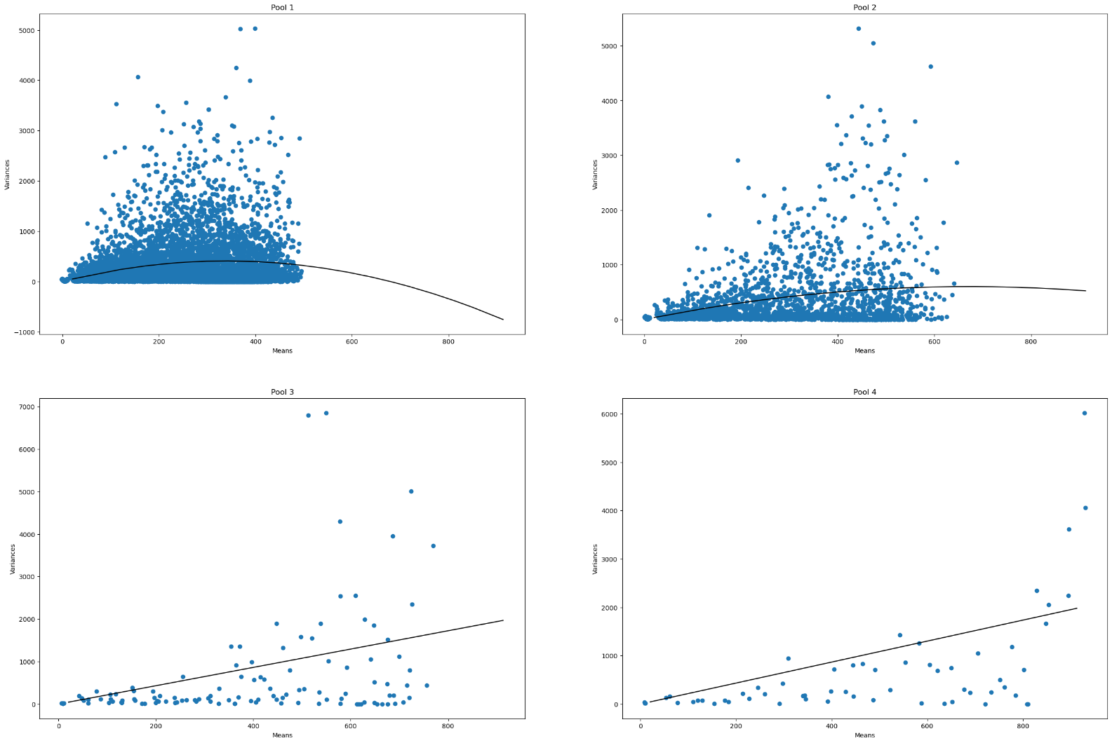
D2A-MB-P4-BO
 | Pool Number | Unitary Current (i) | Channels (n)
 | 1 | 2.41 | 282
 | 2 | 1.79 | 751
 | 3 | 2.16 | N/A
 | 4 | 2.17 | N/A

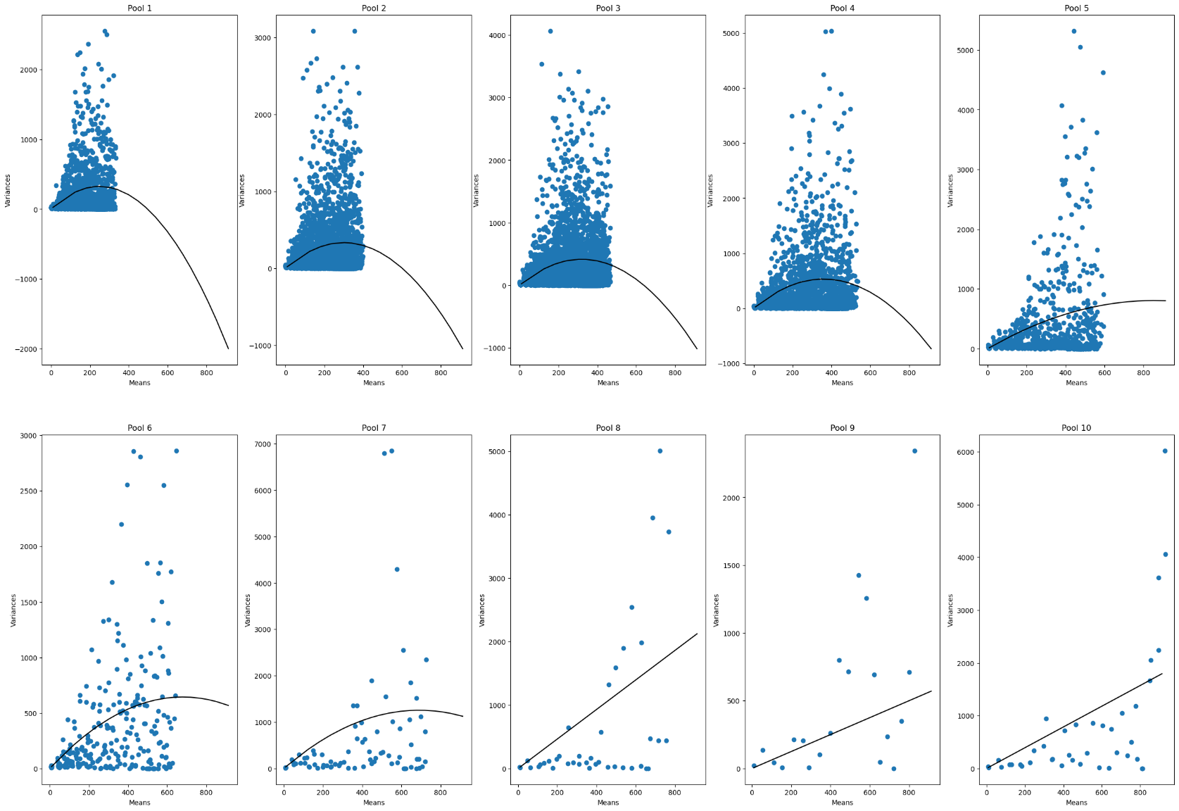
D2A-MB-P10-BO
 | Pool Number | Unitary Current (i) | Channels (n)
 | 1 | 2.6 | 190
 | 2 | 2.21 | 272
 | 3 | 2.6 | 246
 | 4 | 2.96 | 242
 | 5 | 1.88 | 910
 | 6 | 1.9 | 716
 | 7 | 3.63 | 380
 | 8 | 2.32 | N/A
 | 9 | 0.62 | N/A
 | 10 | 1.96 | N/A

D2B-MA
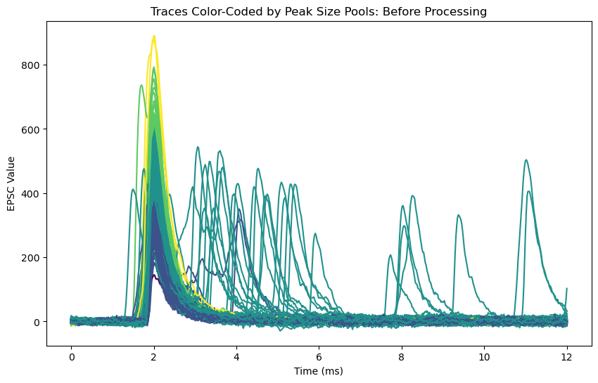
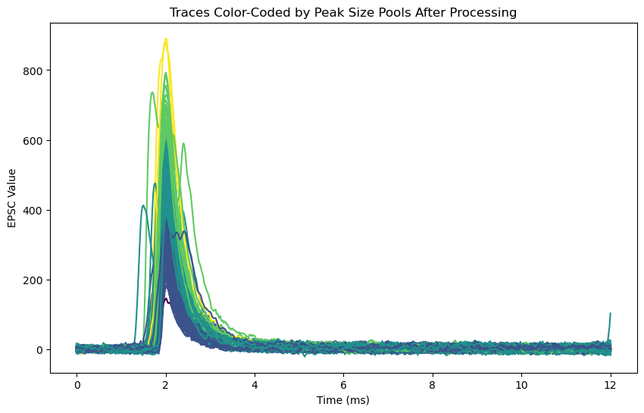
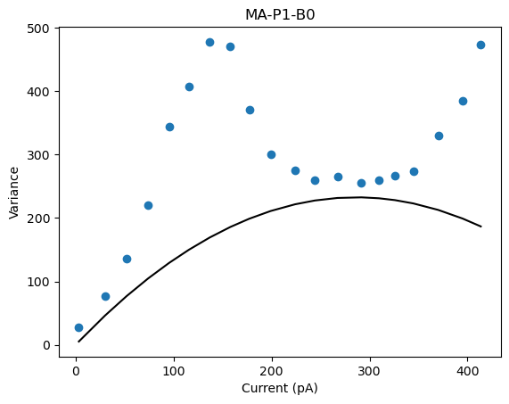
D2B-MA-P1-BO
 | Pool Number | Unitary Current (i) | Channels (n)
 | 1 | 1.62 | 352

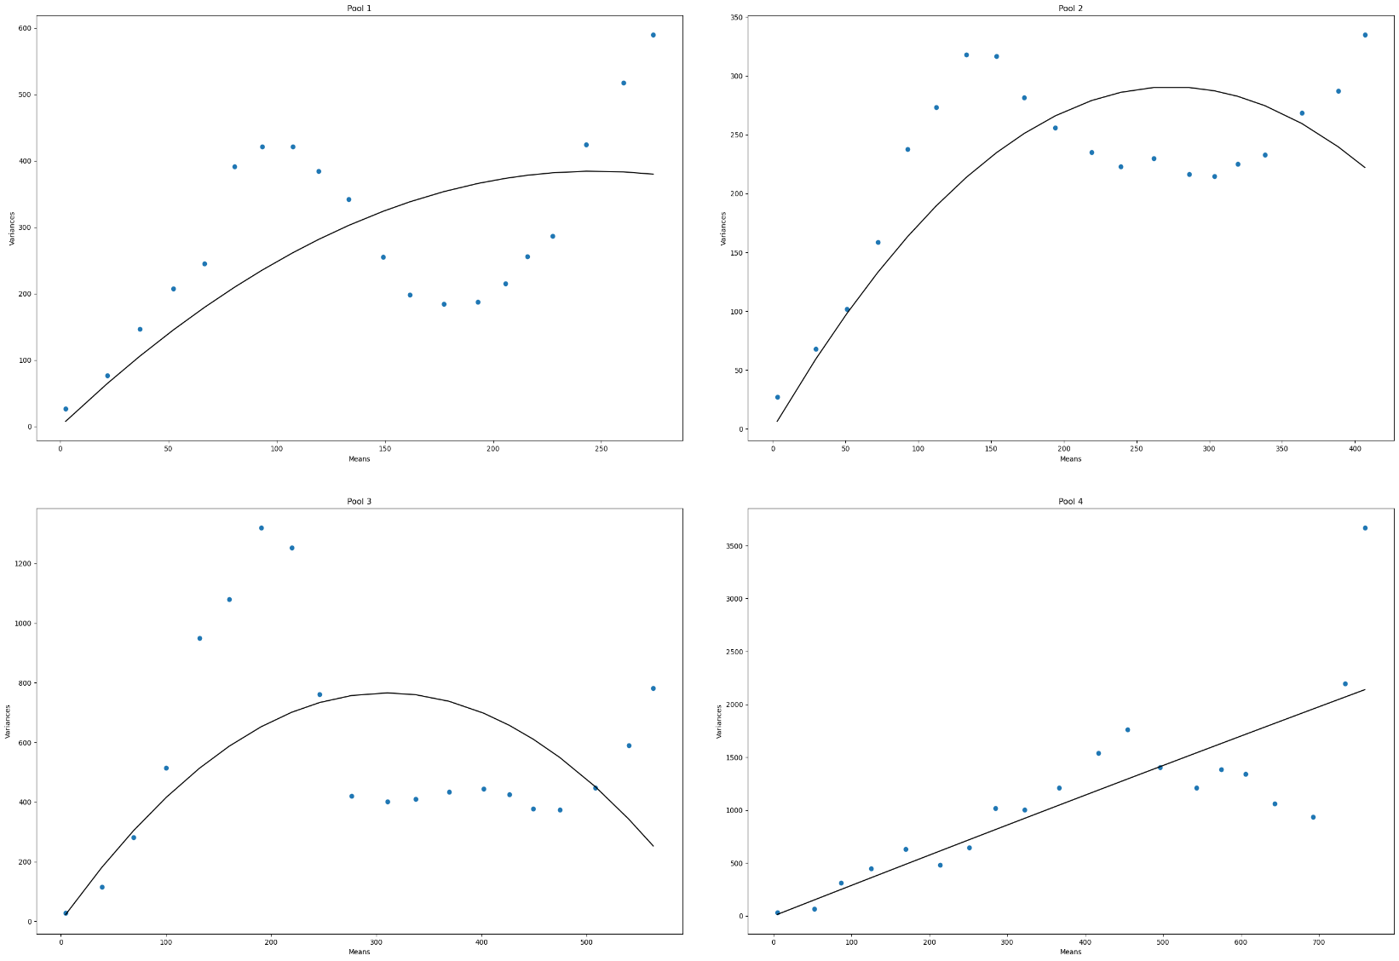
D2B-MA-P4-BO
 | Pool Number | Unitary Current (i) | Channels (n)
 | 1 | 3.11 | 158
 | 2 | 2.12 | 25
 | 3 | 4.94 | 125
 | 4 | 2.89 | N/A

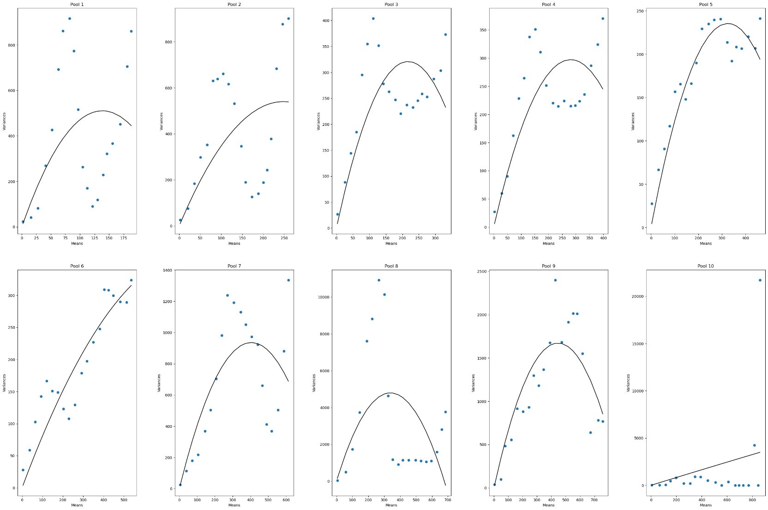
D2B-MA-P10-BO
 | Pool Number | Unitary Current (i) | Channels (n)
 | 1 | 7.37 | 37
 | 2 | 4.35 | 114
 | 3 | 2.95 | 146
 | 4 | 2.12 | 265
 | 5 | 1.45 | 447
 | 6 | 0.86 | 2005
 | 7 | 4.62 | 174
 | 8 | 28.29 | 24
 | 9 | 7.49 | 119
 | 10 | 4.14 | N/A

D2B-MB-BO
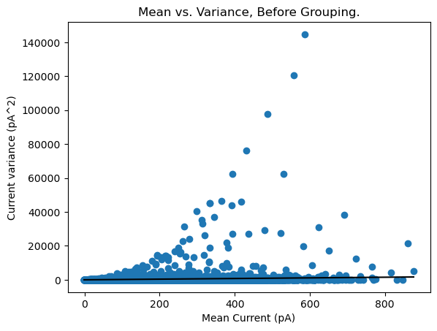
D2A-MB-P1-BO
 | Pool Number | Unitary Current (i) | Channels (n)
 | 1 | 1.89 | N/A

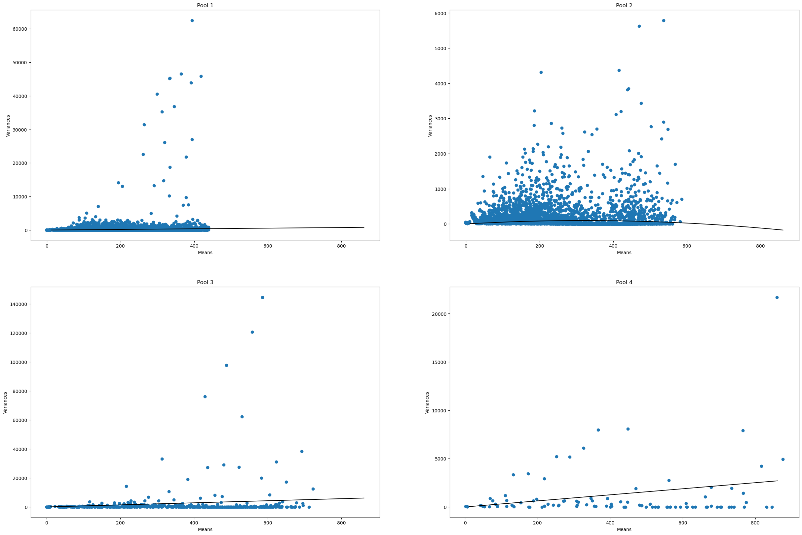
D2A-MB-P4-BO
 | Pool Number | Unitary Current (i) | Channels (n)
 | 1 | 0.94 | N/A
 | 2 | 0.59 | 1078.7
 | 3 | 7.13 | N/A
 | 4 | 3.13 | N/A

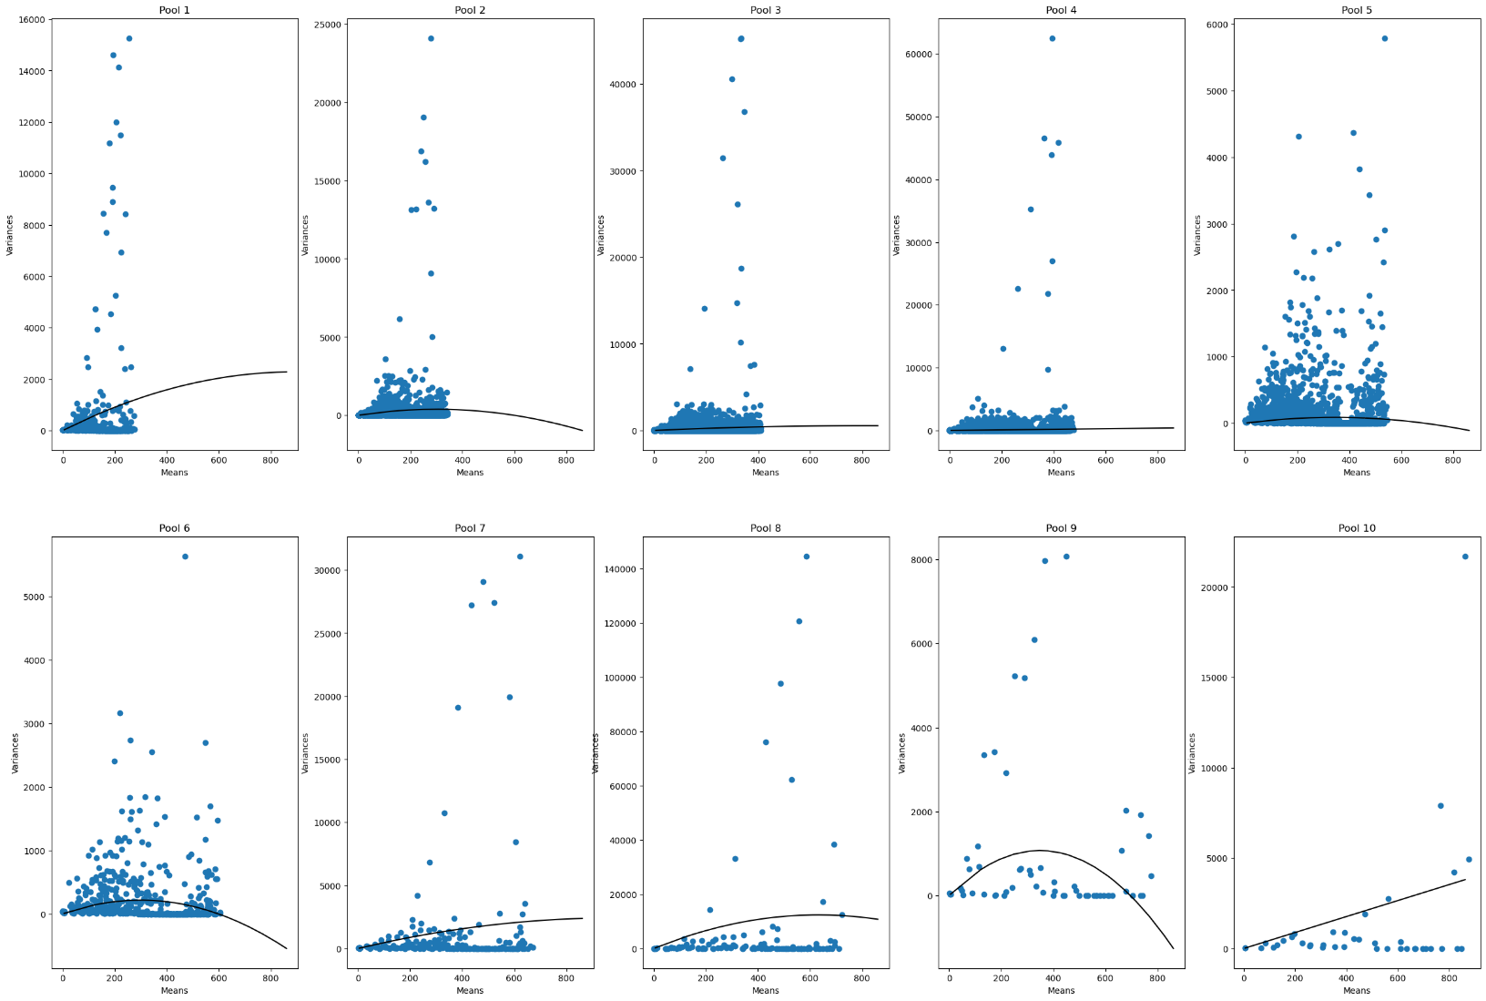
D2A-MB-P10-BO
 | Pool Number | Unitary Current (i) | Channels (n)
 | 1 | 5.09 | 351
 | 2 | 2.57 | 233
 | 3 | 1.35 | 1200
 | 4 | 0.46 | N/A
 | 5 | 0.51 | 1358
 | 6 | 1.45 | 413
 | 7 | 4.9 | 404
 | 8 | 39.19 | 32.3
 | 9 | 6.16 | 112.8
 | 10 | 2.42 | N/A

D2C-MA
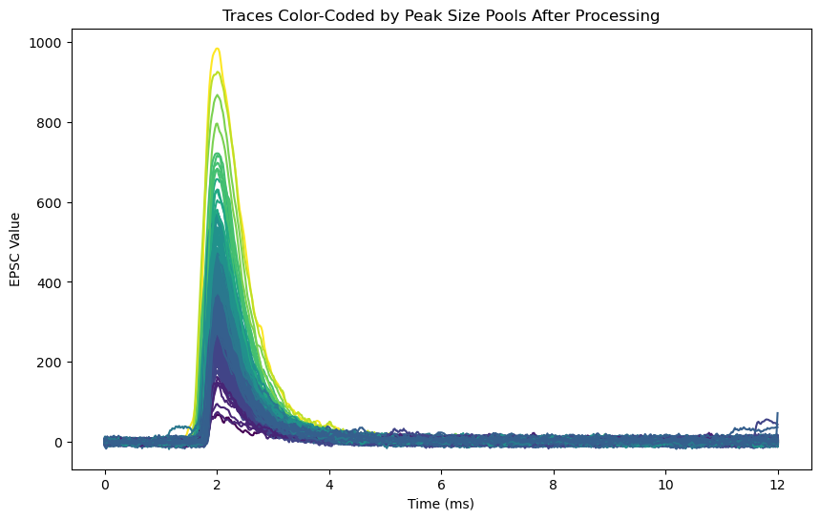
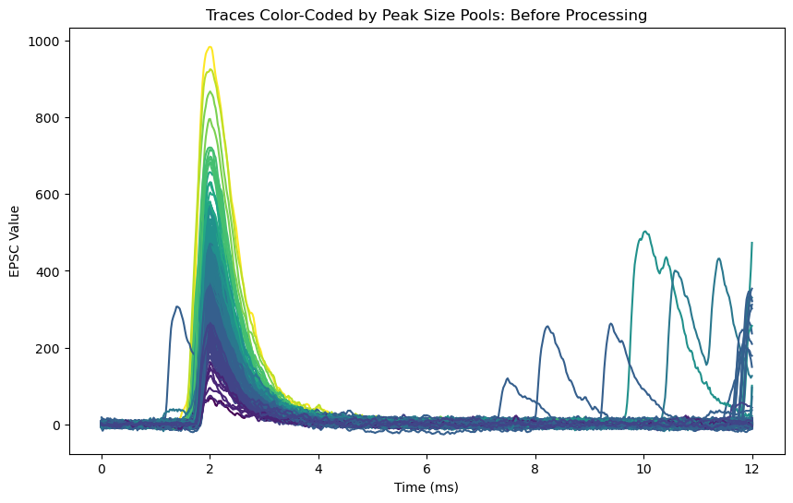
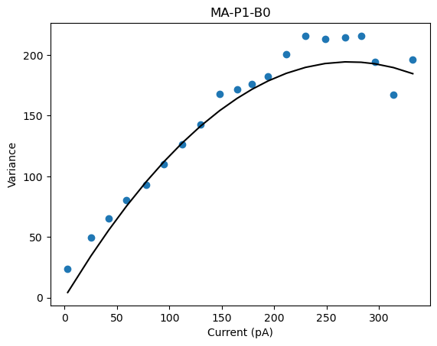
D2C-MA-P1-BO
 | Pool Number | Unitary Current (i) | Channels (n)
 | 1 | 1.43 | 379 | 541.97

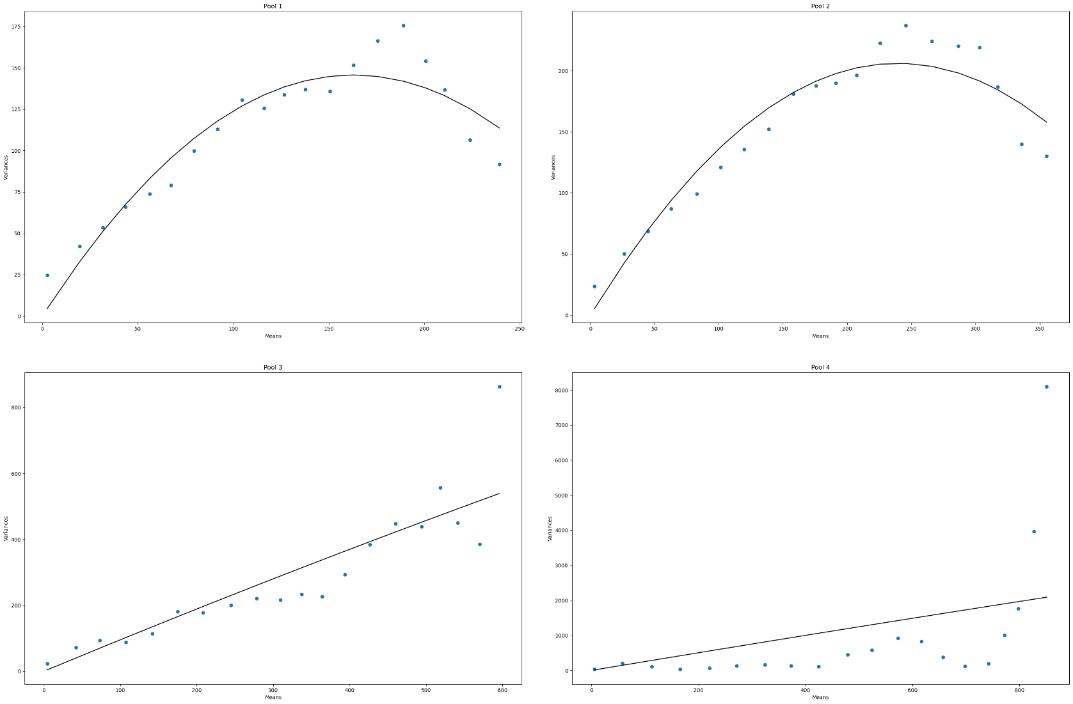
D2C-MA-P4-BO
 | Pool Number | Unitary Current (i) | Channels (n)
 | 1 | 1.78 | 182 | 323.96
 | 2 | 1.72 | 278 | 478.16
 | 3 | 0.96 | N/A | #VALUE!
 | 4 | 2.54 | N/A | #VALUE!

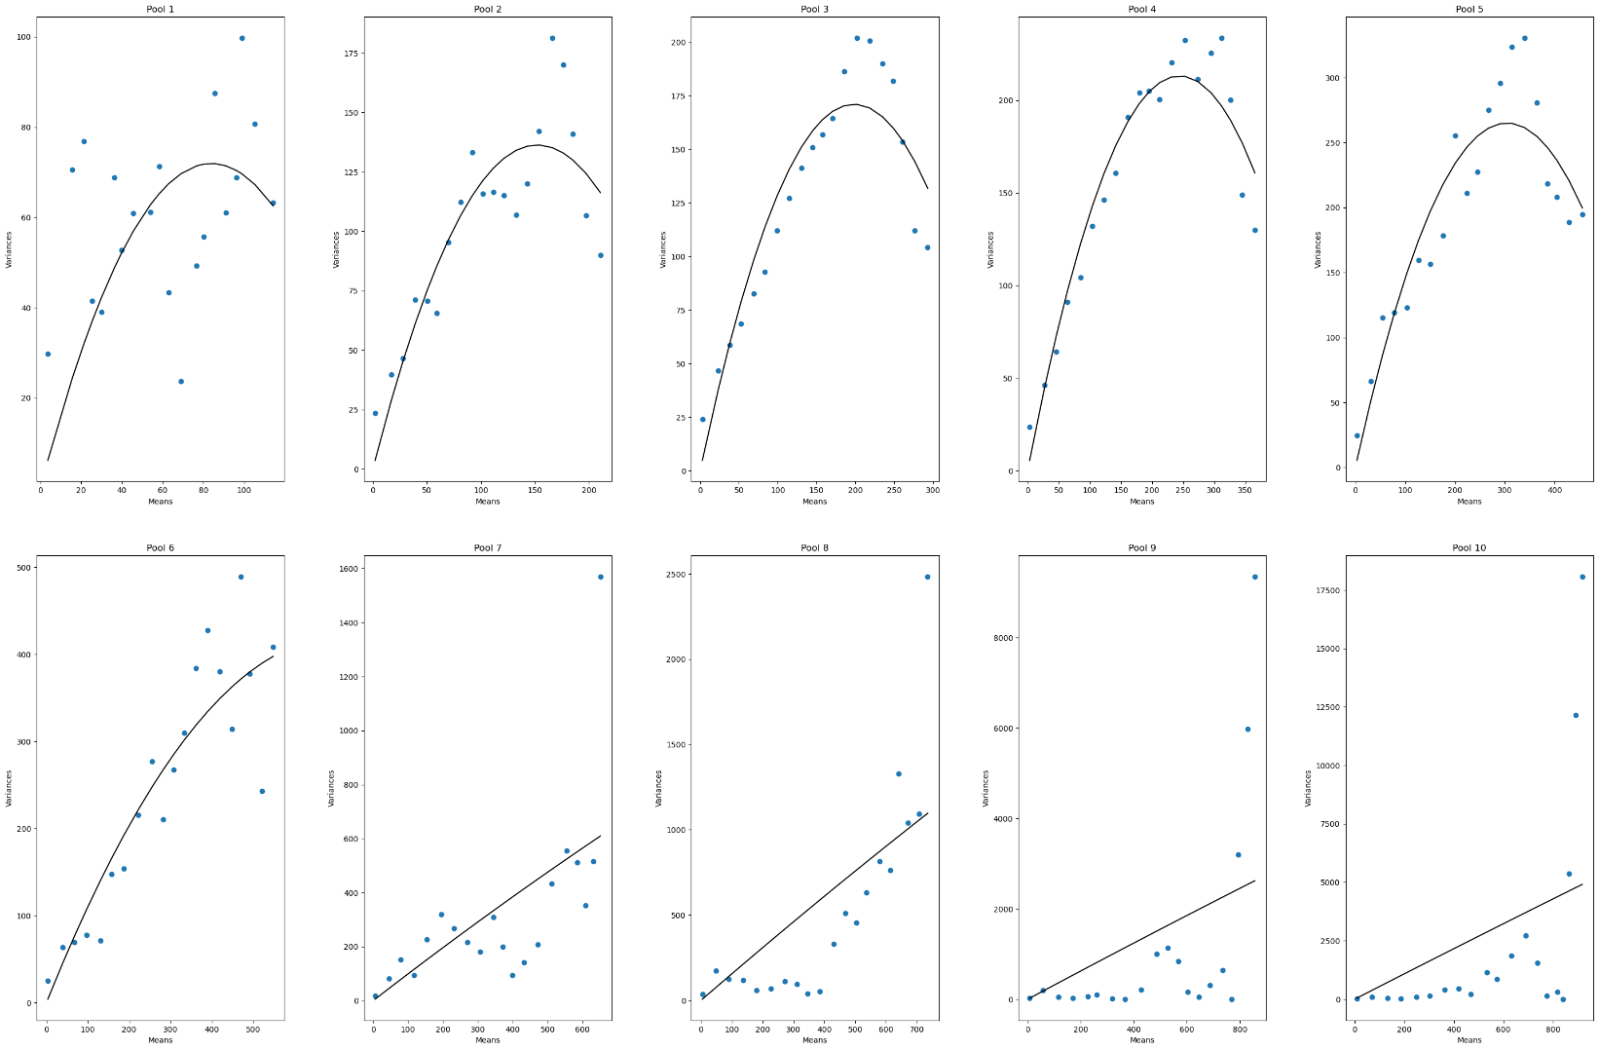
D2C-MA-P10-BO
 | Pool Number | Unitary Current (i) | Channels (n)
 | 1 | 1.71 | 98 | 167.58
 | 2 | 1.79 | 170 | 304.3
 | 3 | 1.72 | 229 | 393.88
 | 4 | 1.74 | 280 | 487.2
 | 5 | 1.74 | 349 | 607.26
 | 6 | 1.18 | 1197 | 1412.46
 | 7 | 1 | N/A | #VALUE!
 | 8 | 1.56 | N/A | #VALUE!
 | 9 | 3.14 | N/A | #VALUE!
 | 10 | 5.43 | N/A | #VALUE!

D2C-MB-BO
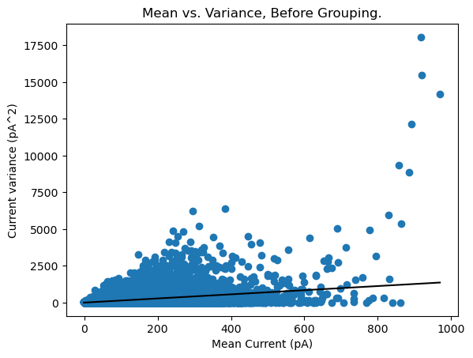
D2C-MB-P1-BO
 | Pool Number | Unitary Current (i) | Channels (n)
 | 1 | 1.41 | N/A

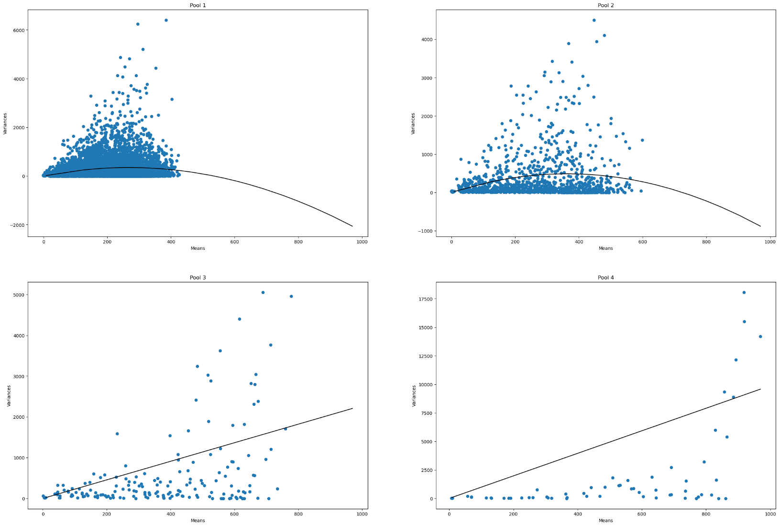
D2C-MB-P4-BO
 | Pool Number | Unitary Current (i) | Channels (n)
 | 1 | 2.62 | 204 | 534.48
 | 2 | 2.69 | 269 | 723.61
 | 3 | 2.27 | N/A | #VALUE!
 | 4 | 9.88 | N/A

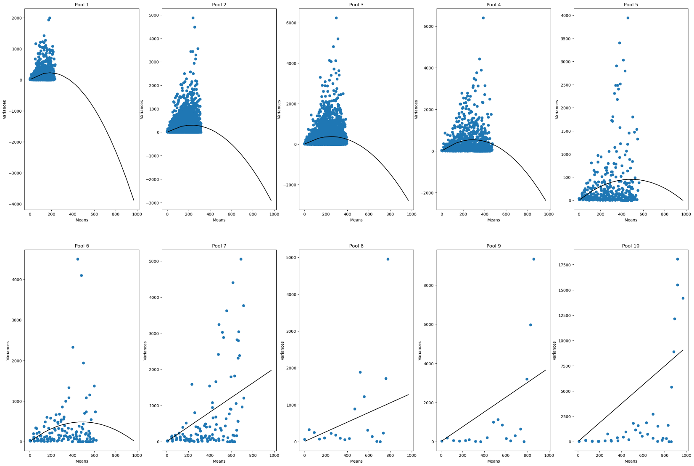
D2C-MB-P10-BO
 | Pool Number | Unitary Current (i) | Channels (n)
 | 1 | 2.46 | 149 | 366.54
 | 2 | 2.64 | 172 | 454.08
 | 3 | 3.01 | 165 | 496.65
 | 4 | 3.7 | 157 | 580.9
 | 5 | 1.88 | 516 | 970.08
 | 6 | 1.98 | 492 | 974.16
 | 7 | 2.03 | N/A | #VALUE!
 | 8 | 1.31 | N/A | #VALUE!
 | 9 | 3.77 | N/A | #VALUE!
 | 10 | 9.33 | N/A | #VALUE!

D2D-MA
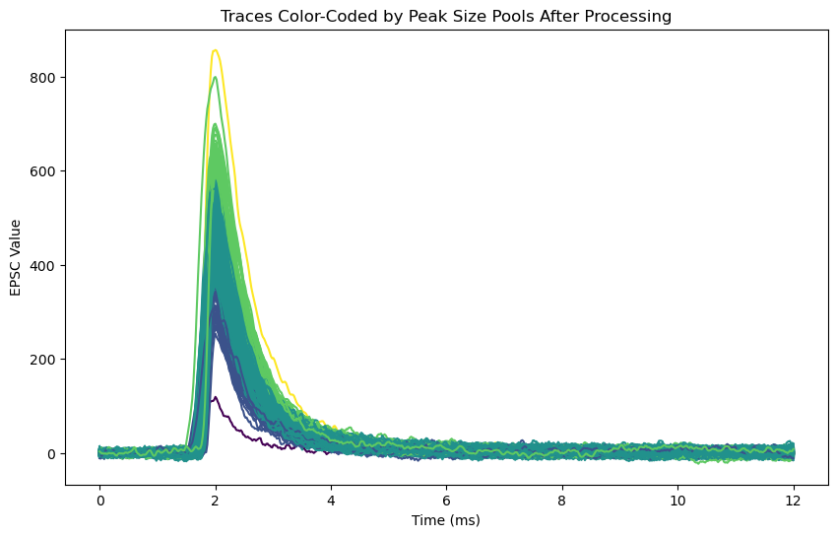
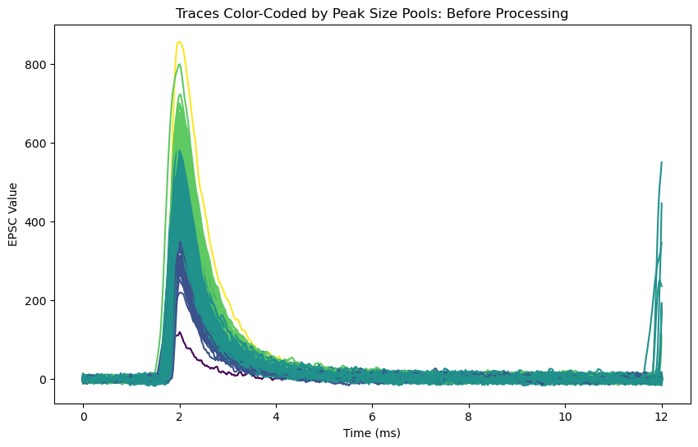
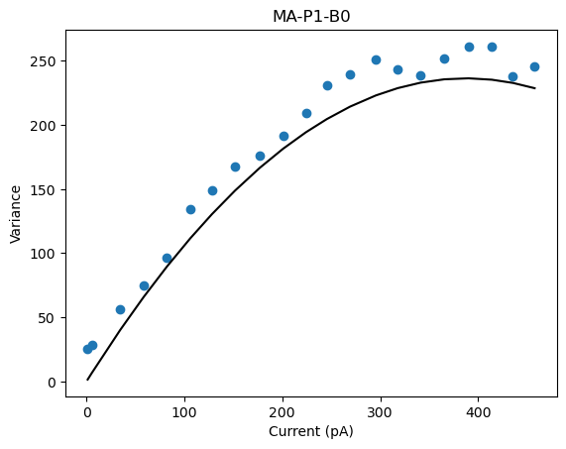
D2D-MA-P1-BO
 | Pool Number | Unitary Current (i) | Channels (n)
 | 1 | 1.21 | 636 | 769.56

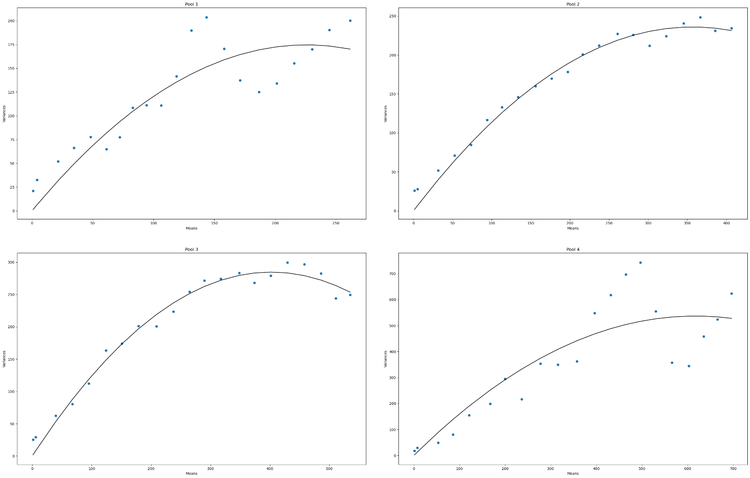
D2D-MA-P4-BO
 | Pool Number | Unitary Current (i) | Channels (n)
 | 1 | 1.54 | 292 | 449.68
 | 2 | 1.32 | 539 | 711.48
 | 3 | 1.41 | 568 | 800.88
 | 4 | 1.74 | 709 | 1233.66

D2D-MA-P10-BO
ERROR with graph creation | Pool Number | Unitary Current (i) | Channels (n)
 | 1 |  |  | 0
 | 2 |  |  | 0
 | 3 |  |  | 0
 | 4 |  |  | 0
 | 5 |  |  | 0
 | 6 |  |  | 0
 | 7 |  |  | 0
 | 8 |  |  | 0
 | 9 |  |  | 0
 | 10 |  |  | 0

D2D-MB-BO
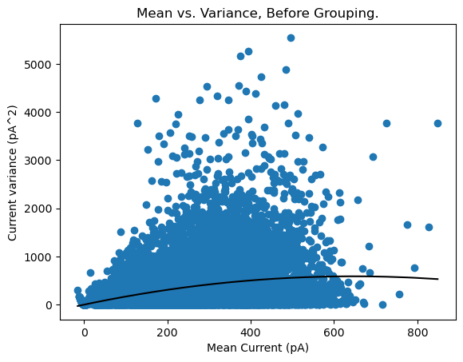
D2D-MB-P1-BO
 | Pool Number | Unitary Current (i) | Channels (n)
 | 1 | 1.82 | 709

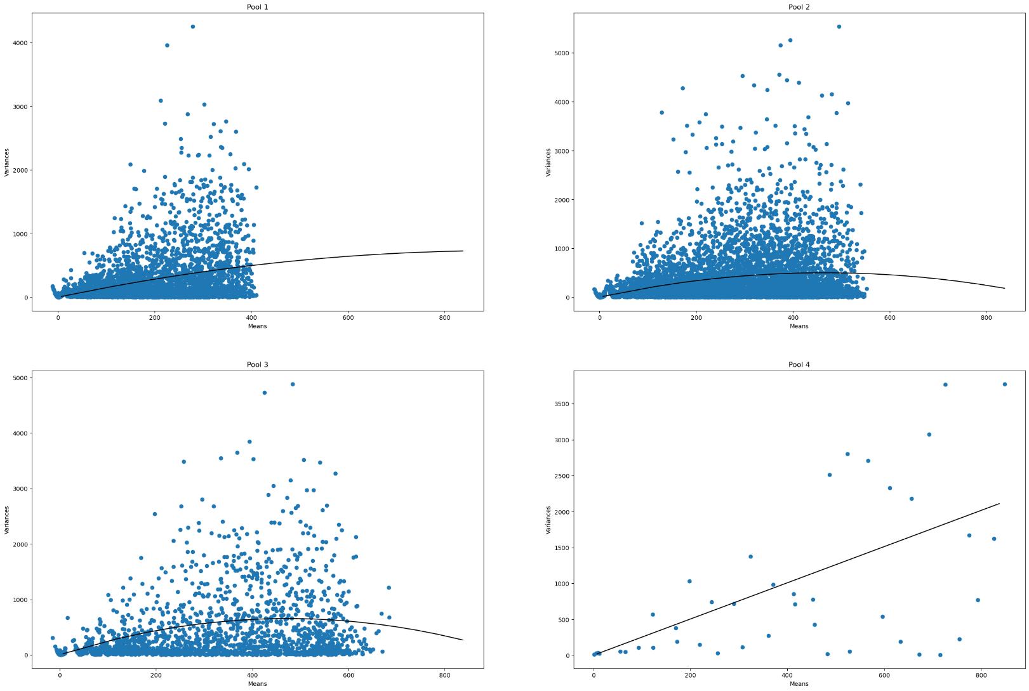
D2D-MB-P4-BO
 | Pool Number | Unitary Current (i) | Channels (n)
 | 1 | 1.58 | 1165 | 1840.7
 | 2 | 2.14 | 434 | 928.76
 | 3 | 2.76 | 342 | 943.92
 | 4 | 2.52 | N/A

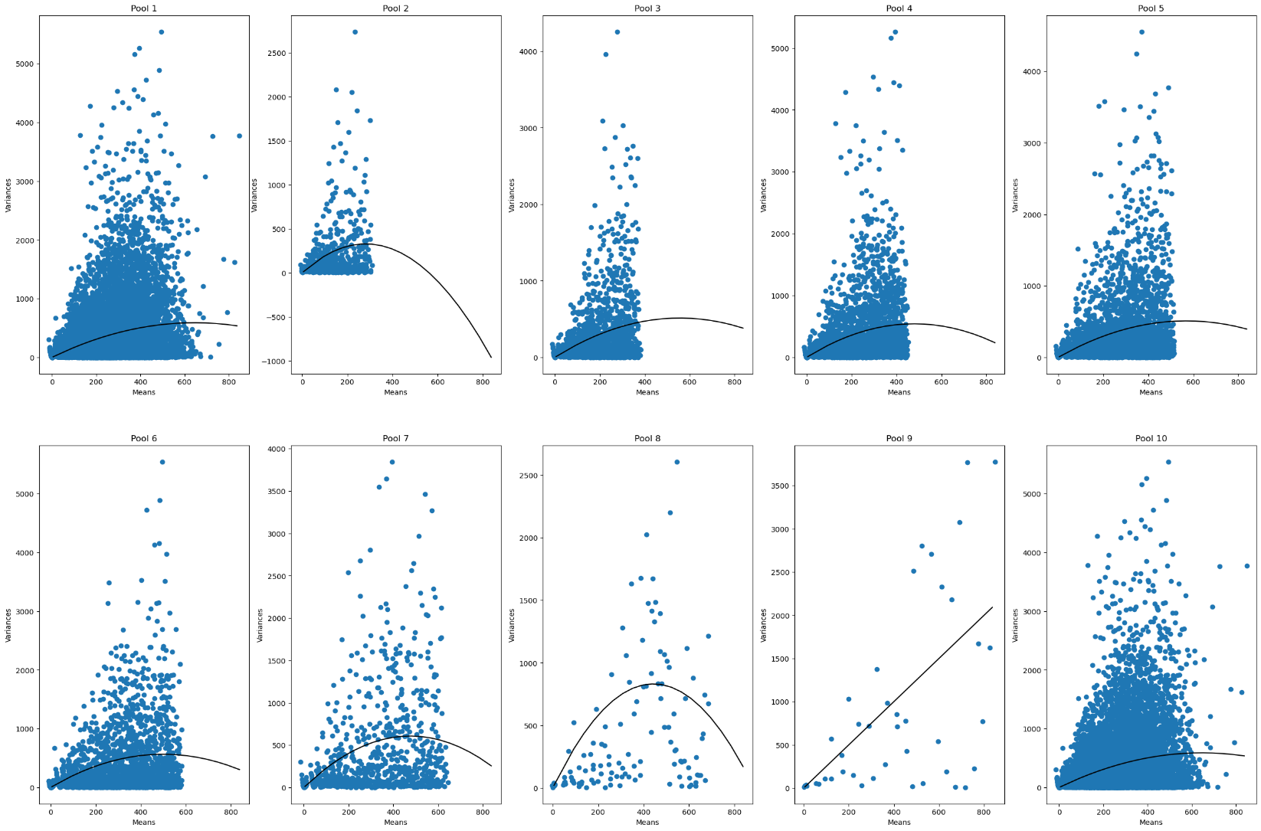
D2D-MB-P10-BO
 | Pool Number | Unitary Current (i) | Channels (n)
 | 1 | 1.82 | 707 | 1286.74
 | 2 | 2.33 | 240 | 559.2
 | 3 | 1.84 | 601 | 1105.84
 | 4 | 2.27 | 422 | 957.94
 | 5 | 1.79 | 635 | 1136.65
 | 6 | 2.26 | 440 | 994.4
 | 7 | 2.56 | 372 | 952.32
 | 8 | 3.76 | 235 | 883.6
 | 9 | 2.5 | N/A | #VALUE!
 | 10 | 1.82 | 709 | 1290.38

D2E-MA
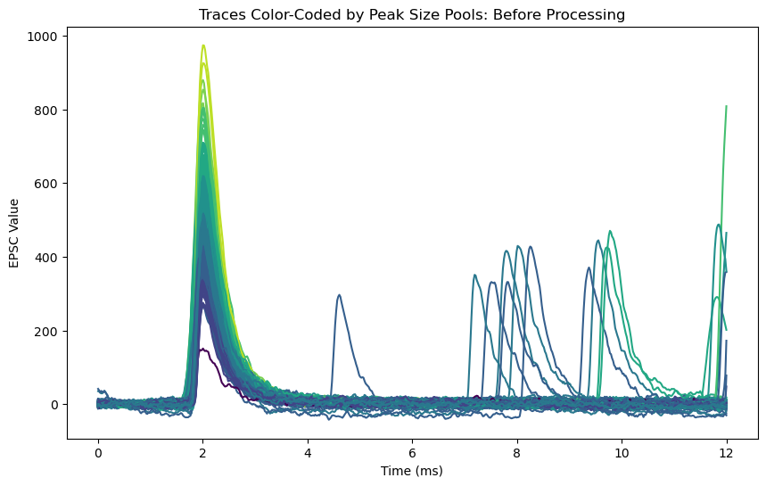
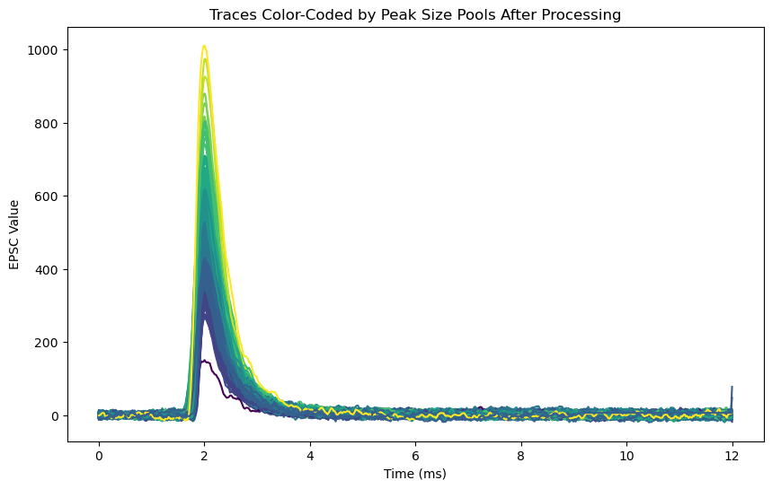
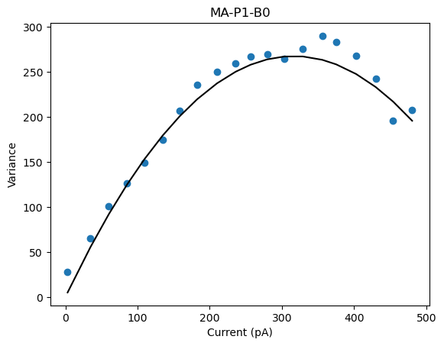
D2E-MA-P1-BO
 | Pool Number | Unitary Current (i) | Channels (n)
 | 1 | 1.69 | 374 | 632.06

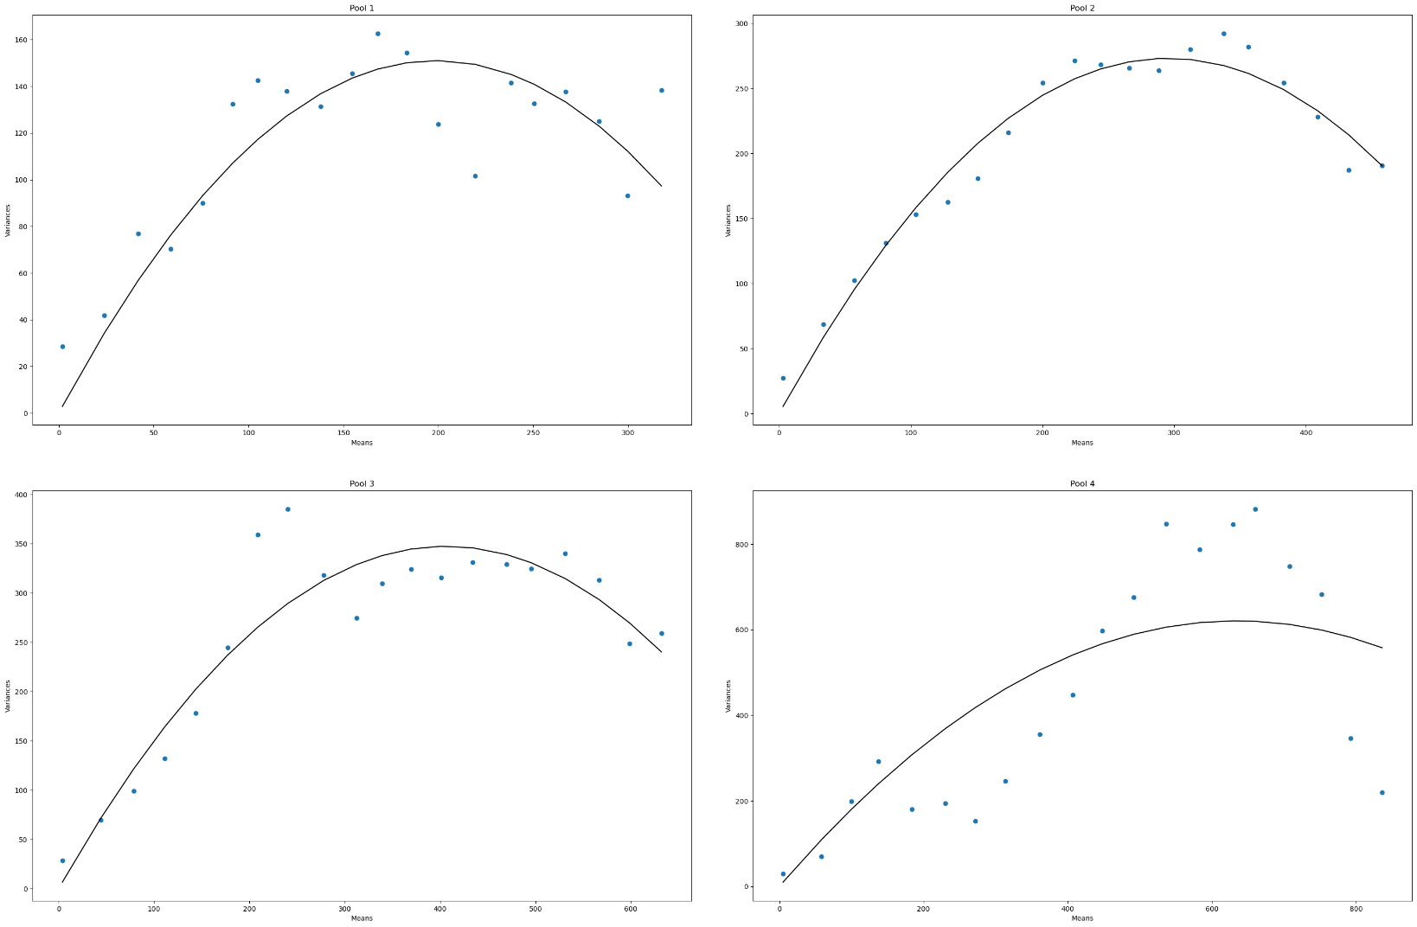
D2E-MA-P4-BO
 | Pool Number | Unitary Current (i) | Channels (n)
 | 1 | 1.52 | 262 | 398.24
 | 2 | 1.85 | 319 | 590.15
 | 3 | 1.71 | 476 | 813.96
 | 4 | 1.96 | 648 | 1270.08

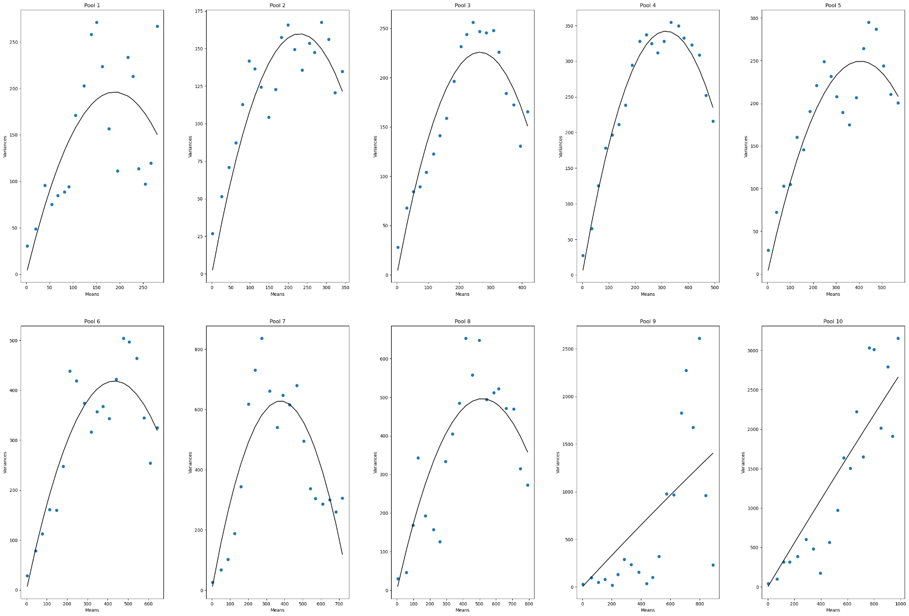
D2E-MA-P10-BO
 | Pool Number | Unitary Current (i) | Channels (n)
 | 1 | 2.07 | 182 | 376.74
 | 2 | 1.39 | 329 | 457.31
 | 3 | 1.7 | 312 | 530.4
 | 4 | 2.16 | 292 | 630.72
 | 5 | 1.23 | 659 | 810.57
 | 6 | 1.9 | 447 | 849.3
 | 7 | 3.33 | 227 | 755.91
 | 8 | 1.92 | 539 | 1034.88
 | 9 | 1.67 | N/A | #VALUE!
 | 10 | 2.8 | N/A | #VALUE!
 |  |  |  | 0
 |  |  |  | 0

D2E-MB-BO
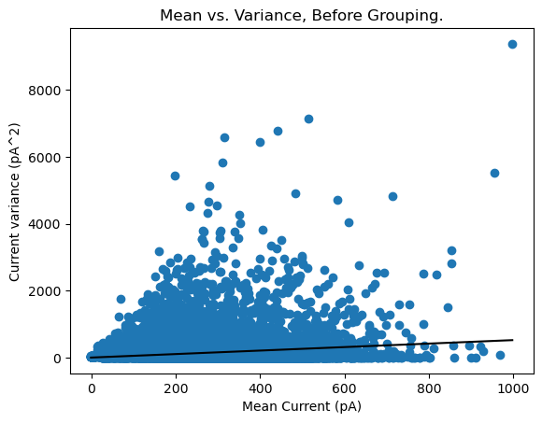
D2E-MB-P1-BO
 | Pool Number | Unitary Current (i) | Channels (n)
 | 1 | 0.52 | N/A

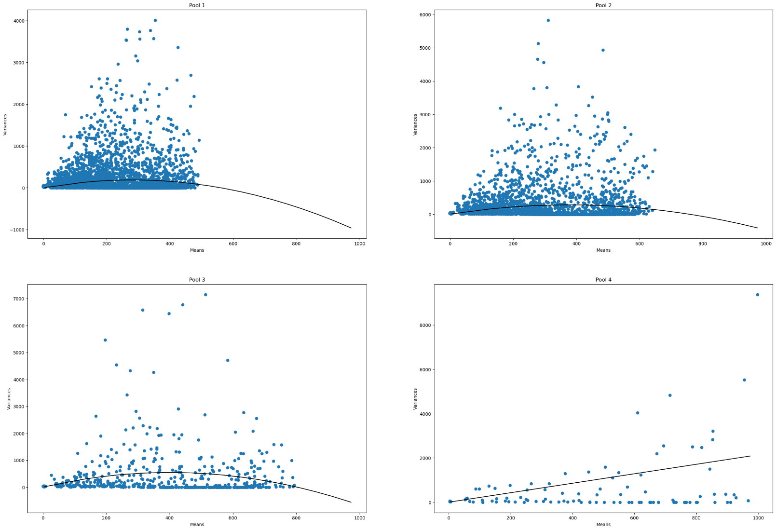
D2E-MB-P4-BO
 | Pool Number | Unitary Current (i) | Channels (n)
 | 1 | 1.35 | 417 | 562.95
 | 2 | 1.48 | 511 | 756.28
 | 3 | 2.7 | 296 | 799.2
 | 4 | 2.14 | N/A

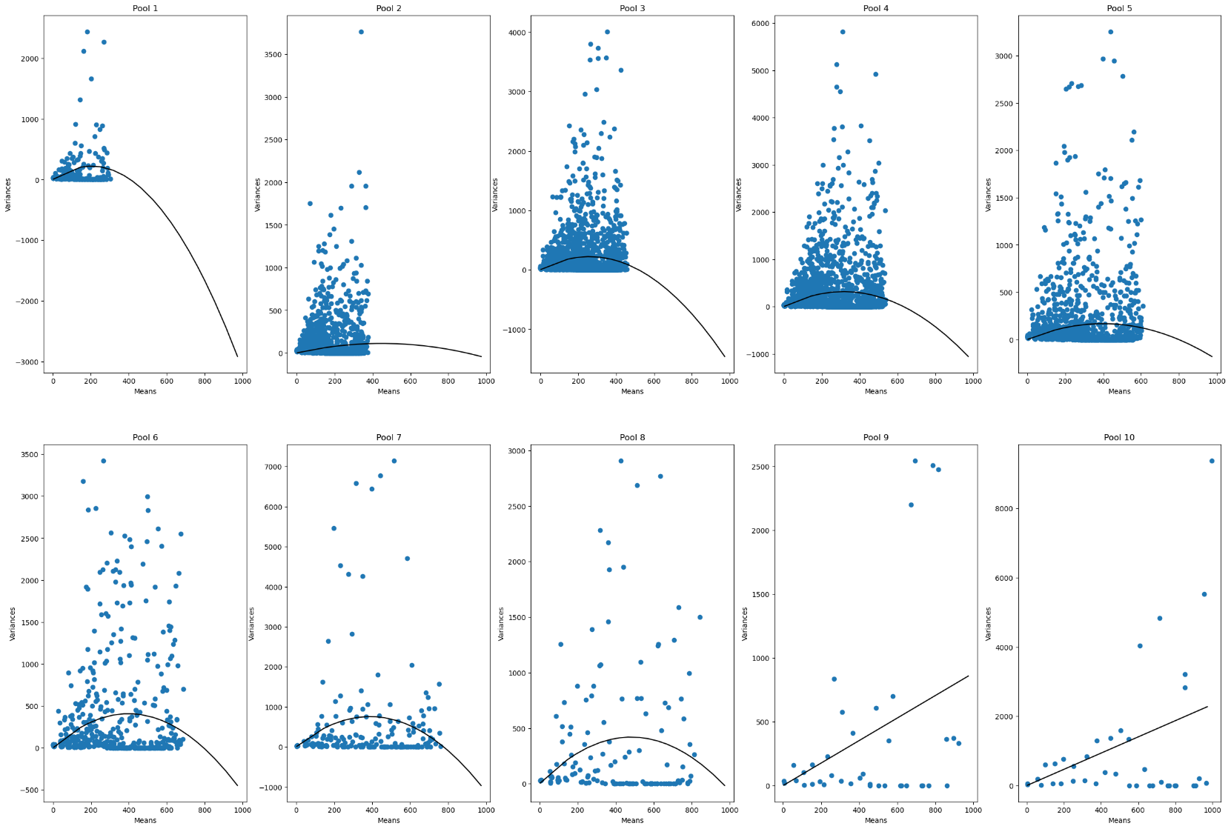
D2E-MB-P10-BO
 | Pool Number | Unitary Current (i) | Channels (n)
 | 1 | 2.16 | 189 | 408.24
 | 2 | 0.5 | 1804 | 902
 | 3 | 1.71 | 303 | 518.13
 | 4 | 2 | 315 | 630
 | 5 | 0.84 | 948 | 796.32
 | 6 | 2.05 | 387 | 793.35
 | 7 | 3.9 | 199 | 776.1
 | 8 | 1.74 | 553 | 962.22
 | 9 | 0.88 | N/A | #VALUE!
 | 10 | 2.34 | N/A | #VALUE!

D3-MA
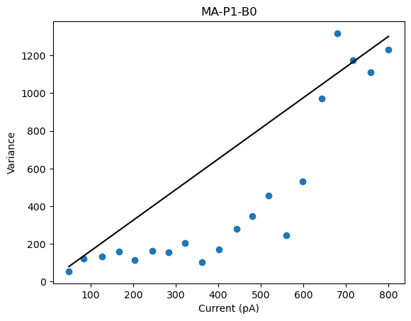
D3-MA-P1-BO
 | Pool Number | Unitary Current (i) | Channels (n)
 | 1 | 1.62 | N/A | #VALUE!

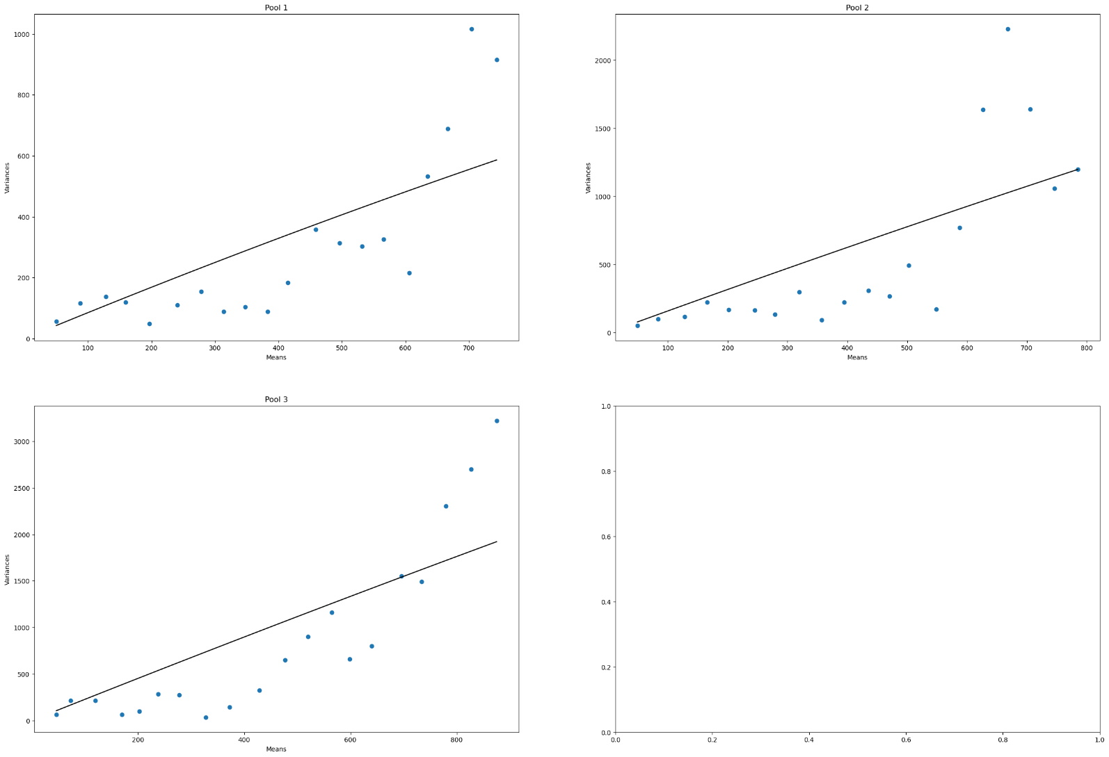
D3-MA-P4-BO
 | Pool Number | Unitary Current (i) | Channels (n)
 | 1 | 0.86 | N/A | #VALUE!
 | 2 | 1.6 | N/A | #VALUE!
 | 3 | 2.28 | N/A | #VALUE!
 | 4 | N/A | N/A | #VALUE!

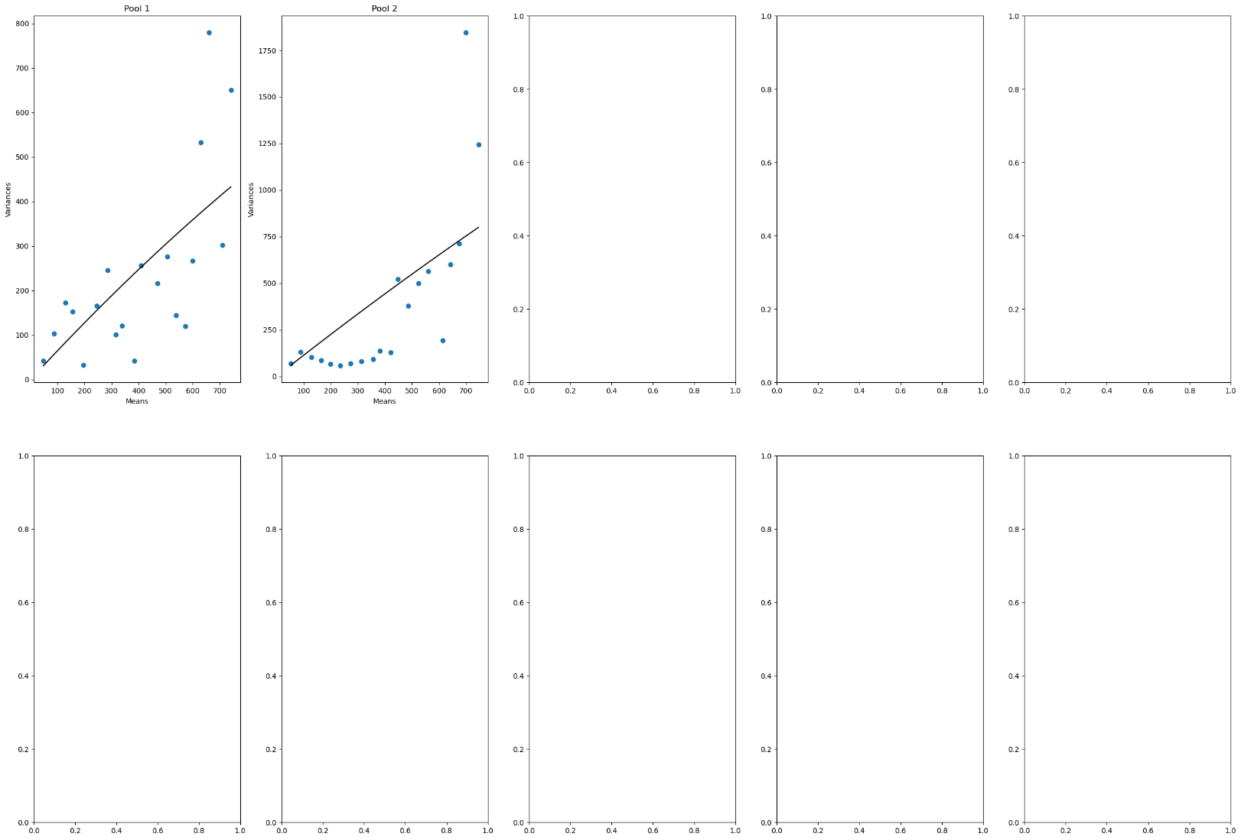
D3-MA-P10-BO
Not enough traces! | Pool Number | Unitary Current (i) | Channels (n)
 | 1 | 0.65 |  | 0
 | 2 | 1.15 |  | 0
 | 3 |  |  | 0
 | 4 |  |  | 0
 | 5 |  |  | 0
 | 6 |  |  | 0
 | 7 |  |  | 0
 | 8 |  |  | 0
 | 9 |  |  | 0
 | 10 |  |  | 0
 |  |  |  | 0
 |  |  |  | 0

D3-MB-BO
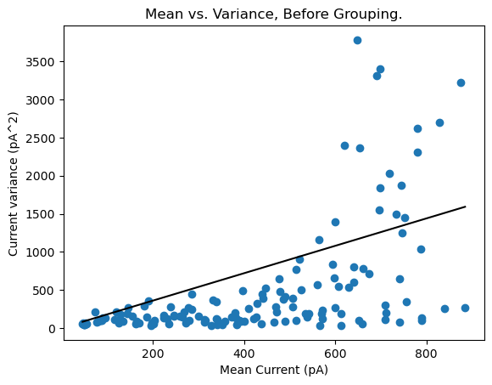
D3-MB-P1-BO
 | Pool Number | Unitary Current (i) | Channels (n)
 | 1 | 1.8 | N/A

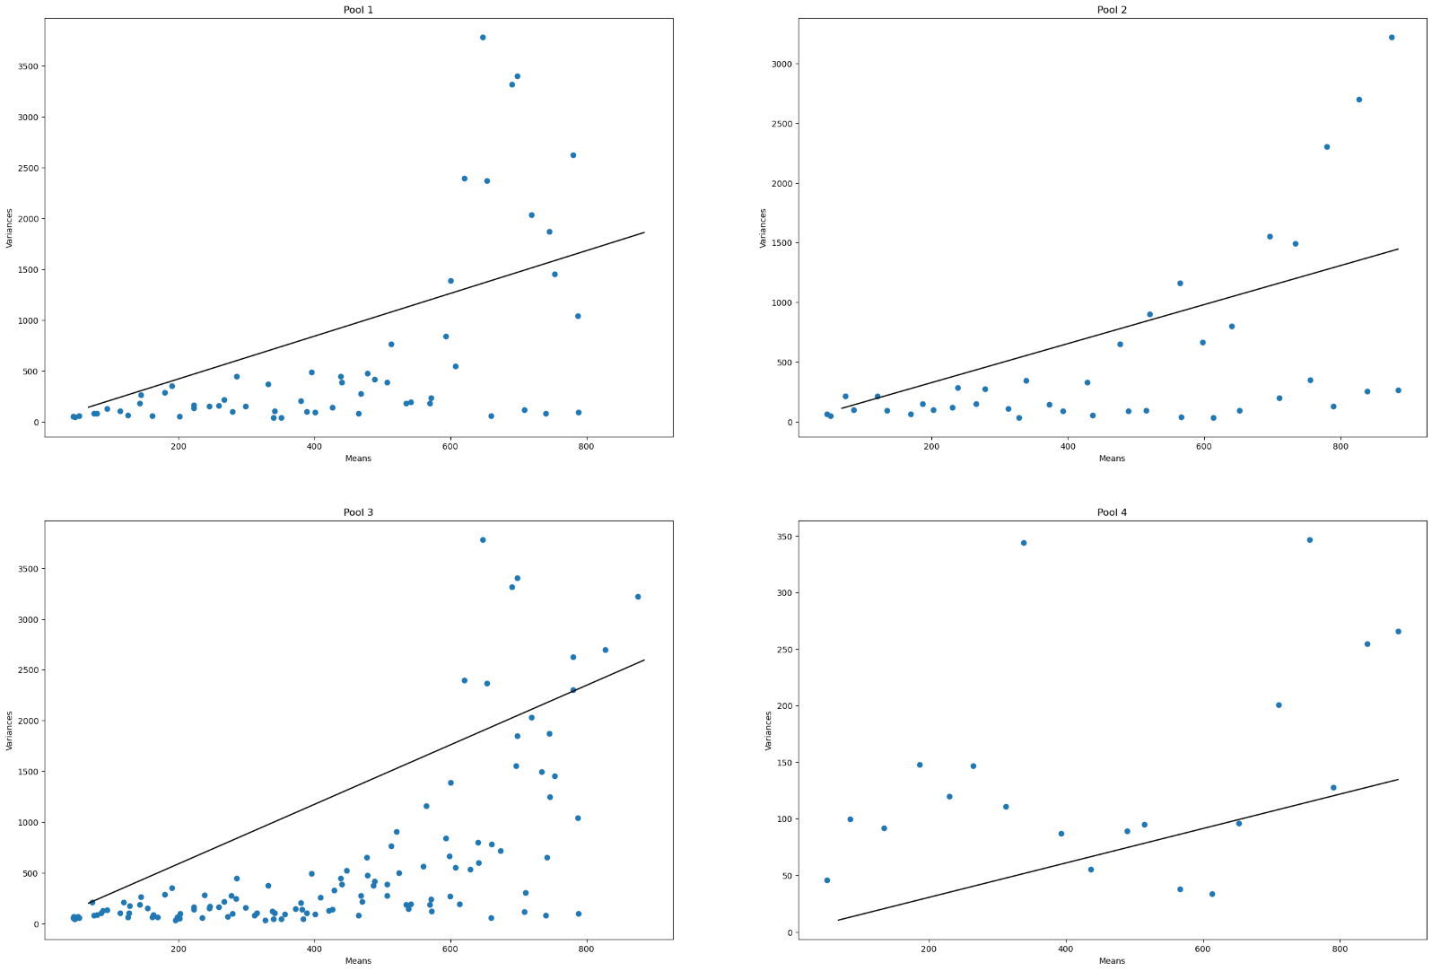
D3-MB-P4-BO
 | Pool Number | Unitary Current (i) | Channels (n)
 | 1 | 2.1 | N/A | #VALUE!
 | 2 | 1.63 | N/A | #VALUE!
 | 3 | 2.9 | N/A | #VALUE!
 | 4 | 0.15 | N/A

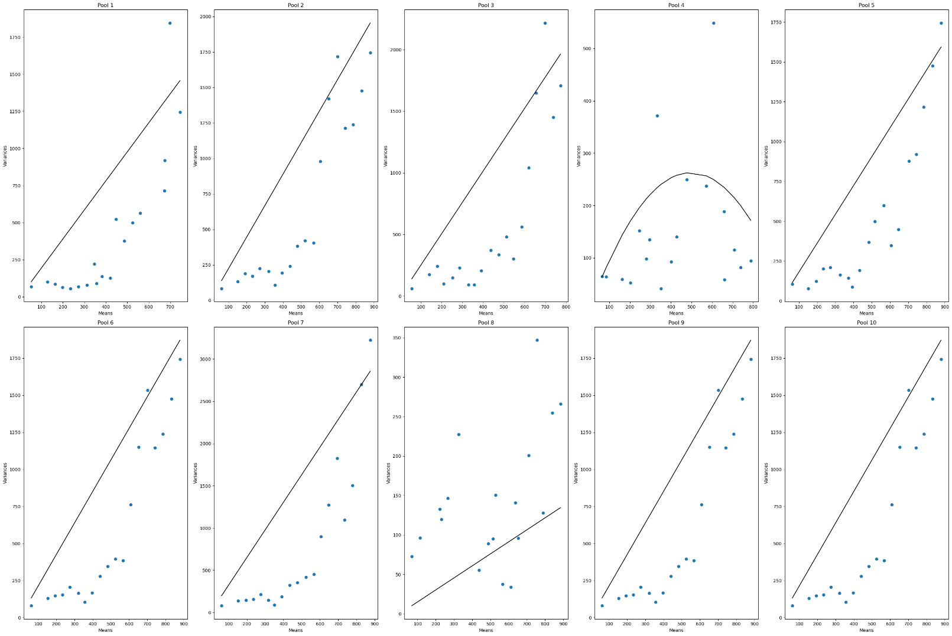
D3-MB-P10-BO
 | Pool Number | Unitary Current (i) | Channels (n)
 | 1 | 1.95 | N/A | #VALUE!
 | 2 | 2.22 | N/A | #VALUE!
 | 3 | 2.53 |  | 0
 | 4 | 1.06 | 936 | 992.16
 | 5 | 1.81 | N/A | #VALUE!
 | 6 | 2.13 | N/A | #VALUE!
 | 7 | 3.26 | N/A | #VALUE!
 | 8 | 0.15 | N/A | #VALUE!
 | 9 | 2.12 | N/A | #VALUE!
 | 10 | 2.12 | N/A | #VALUE!

